Sheet1
 |  | Document No. | Issue No. | Issue Date |  | Review and Replace Date |  | Authorised By
 |  | GFF017MC | 3 | 30.06.2022 |  | 17.12.2024
 |  | Document Title | Gc- 10 Chicken Samosa | Jumbo | 1200G -High Risk
 |  |  |  |  |  |  |  | Magda Shah
Document amendments reason for change |  | Tray and Film Changed | Page 1 of 1 |  | Previous Issue Date |  | 27.10.2022 | Uncontrolled copy unless signed original

CCSAJ-B10T | Gazebo (BULK-SNACKS) |  | Gc- 10 Chicken Samosa | Jumbo | 1200G
STEP 1 |  |  |  |  | STEP 2
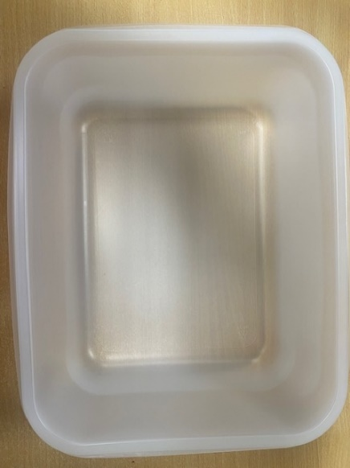

Tray: 554 natural-(PKPRO001-19) |  |  |  |  | Chicken Tikka Samosa XL (Jumbo) 120G(GFF038R): 10 Pieces (1200g)
Film: S340AF 340mmX510mm AF&HB Weld-(PKPRO001-17)
STEP 3
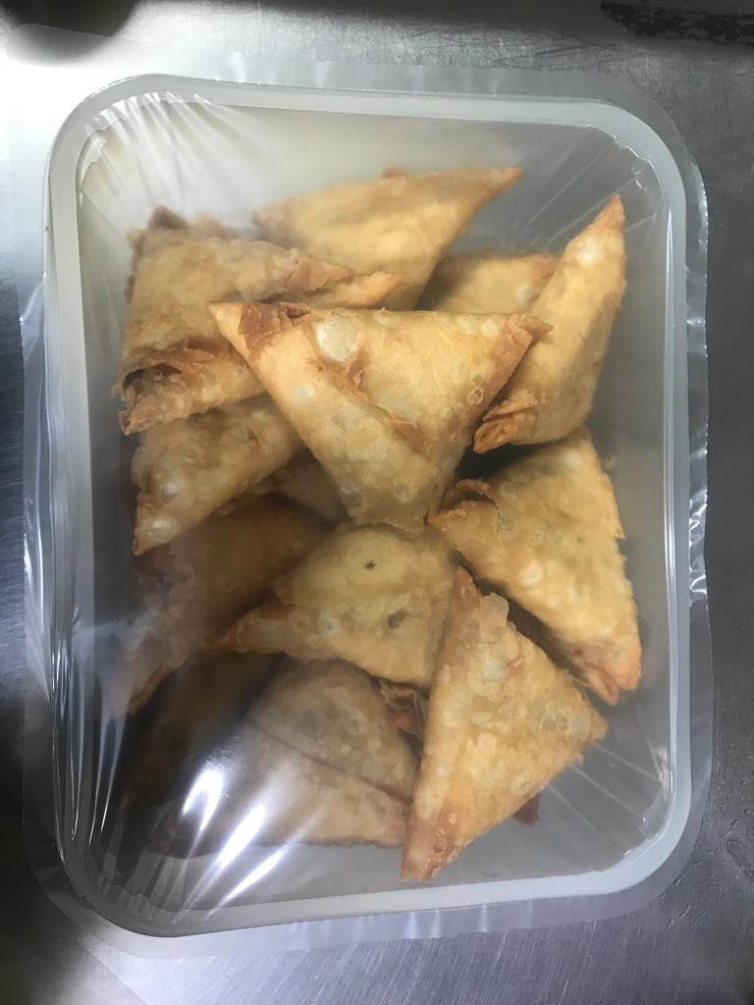

TOTAL WEIGHT: 1200g

ALLERGY ALERT: Wheat, Soya

